Forecasting
SUN PHARMACEUTICALS INDUSTRIES LTD - Sales Forecasting |  |  |  | SUN PHARMACEUTICALS INDUSTRIES LTD - EBITDA Forecasting |  |  |  | SUN PHARMACEUTICALS INDUSTRIES LTD - Earning Per Share Forecasting
Year Weight | Year | Sales | Sales Growth | Year Weight | Year | EBITDA | EBITDA Growth | Year Weight | Year | EPS | EPS Growth
1 | 2015-03-31 | 27,392.0 |  | 1 | 2015-03-31 | 34,354.1 |  | 1 | 2015-03-31 | 152.9
2 | 2016-03-30 | 28,487.0 | 4.00% | 2 | 2016-03-30 | 35,087.3 | 2.13% | 2 | 2016-03-30 | 135.5 | -11.37%
3 | 2017-03-30 | 31,578.4 | 10.85% | 3 | 2017-03-30 | 41,165.2 | 17.32% | 3 | 2017-03-30 | 159.6 | 17.77%
4 | 2018-03-30 | 26,489.5 | -16.12% | 4 | 2018-03-30 | 35,991.5 | -12.57% | 4 | 2018-03-30 | 137.8 | -13.65%
5 | 2019-03-30 | 29,065.9 | 9.73% | 5 | 2019-03-30 | 39,045.7 | 8.49% | 5 | 2019-03-30 | 150.6 | 9.30%
6 | 2020-03-29 | 32,837.5 | 12.98% | 6 | 2020-03-29 | 42,792.2 | 9.60% | 6 | 2020-03-29 | 165.1 | 9.62%
7 | 2021-03-29 | 33,498.1 | 2.01% | 7 | 2021-03-29 | 44,276.3 | 3.47% | 7 | 2021-03-29 | 173.1 | 4.86%
8 | 2022-03-29 | 38,654.5 | 15.39% | 8 | 2022-03-29 | 50,729.3 | 14.57% | 8 | 2022-03-29 | 197.5 | 14.06%
9 | 2023-03-29 | 43,885.7 | 13.53% | 9 | 2023-03-29 | 55,100.5 | 8.62% | 9 | 2023-03-29 | 214.9 | 8.80%
10 | 2024-03-28 | 48,496.9 | 10.51% | 10 | 2024-03-28 | 59,095.9 | 7.25% | 10 | 2024-03-28 | 228.7 | 6.42%
11 | 2025-03-28 | 45,969.0 | -5.21% | 11 | 2025-03-28 | 58,403.5 | -1.17% | 11 | 2025-03-28 | 223.1 | -2.41%
12 | 2026-03-28 | 48,138.1 | 4.72% | 12 | 2026-03-28 | 61,065.2 | 4.56% | 12 | 2026-03-28 | 232.5 | 4.20%
13 | 2027-03-28 | 50,307.3 | 4.51% | 13 | 2027-03-28 | 63,727.0 | 4.36% | 13 | 2027-03-28 | 241.9 | 4.03%
14 | 2028-03-27 | 52,476.4 | 4.31% | 14 | 2028-03-27 | 66,388.7 | 4.18% | 14 | 2028-03-27 | 251.3 | 3.88%
15 | 2029-03-27 | 54,645.6 | 4.13% | 15 | 2029-03-27 | 69,050.5 | 4.01% | 15 | 2029-03-27 | 260.7 | 3.73%

EPS Forecast
Sales Forecast
EBITDA Forecast

Football Field Analysis
Football Field Analysis - Valuation Summary (Rs)
Football Field Analysis - Data
 | OpenLow | Low | OpenHigh | High
Comps | 1027.6 | 1027.6 | 1262 | 1262
DCF Bear | 1,175.7 | 1,175.7 | 1,484.4 | 1,484.4
DCF Base | 1,387.7 | 1,387.7 | 1,996.2 | 1,996.2
DCF Bull | 2,287.1 | 2,287.1 | 9,511.3 | 9,511.3
52W H/L | 1,068.4 | 1,068.4 | 1,960.4 | 1,960.4

Sheet2
Company Overview

Vission | Ownership

Sun Pharma's vision is, "Reaching People And Touching Lives Globally As A Leading Provider Of Valued Medicines". The firm wants to offer medicines that are of prime quality and affordable to most people.
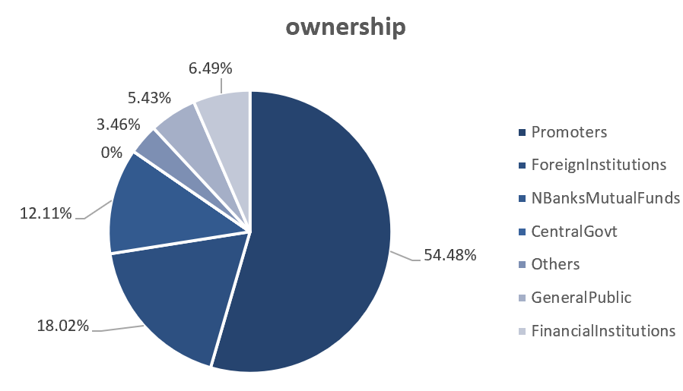

Company Description
Founded - Established in 1983, Sun Pharma has grown into a global leader.
Global Research - Present in over 100 countries, serving diverse healthcare needs.
Workforce - Over 41,000 employees contribute to our global success.

Management Overview

Dilip Shanghvi
ManagingDirector
Dilip Shanghvi is the founder and managing director of Sun Pharma.

Kirti Ganorkar
CEO
Kirti Ganorkar oversees the operational and strategic management of the company.


Sudhir Mehta Chairman Sudhir Mehta has been a key figure in the company's governance.

Aalok Shanghvi
Executive Director
Aalok has handled various roles in Marketing,R&D,
Project Management, Purchase & Communications.

A. M. Naik
Non-Executive Director A. M. Naik brings a wealth of experience from his tenure in various industries.

Sheet3
Company Overview

Historical Stock Performance | Milestones
 | Closing Price
9/29/2024 | 1,926.7
9/22/2024 | 1,948.7
9/15/2024 | 1,865.8
9/8/2024 | 1,853.8
9/1/2024 | 1,824.6
8/25/2024 | 1,821.7
8/18/2024 | 1,775.8
8/11/2024 | 1,742.8
8/4/2024 | 1,735.3
7/28/2024 | 1,731.7
7/21/2024 | 1,714.3
7/14/2024 | 1,568.7
7/7/2024 | 1,572.3
6/30/2024 | 1,563.4
6/23/2024 | 1,516.0
6/16/2024 | 1,462.6
6/9/2024 | 1,511.2
6/2/2024 | 1,502.1
5/26/2024 | 1,455.2
5/19/2024 | 1,482.0
5/12/2024 | 1,527.1
5/5/2024 | 1,501.8
4/28/2024 | 1,506.4
4/21/2024 | 1,501.8
4/14/2024 | 1,518.0
4/7/2024 | 1,535.1
3/31/2024 | 1,603.9
3/24/2024 | 1,615.4
3/17/2024 | 1,603.8
3/10/2024 | 1,543.3
3/3/2024 | 1,600.6
2/25/2024 | 1,554.3
2/18/2024 | 1,556.3
2/11/2024 | 1,505.2
2/4/2024 | 1,521.3
1/28/2024 | 1,404.2
1/21/2024 | 1,356.2
1/14/2024 | 1,323.8
1/7/2024 | 1,314.3
12/31/2023 | 1,288.7
12/24/2023 | 1,248.4
12/17/2023 | 1,232.7
12/10/2023 | 1,224.9
12/3/2023 | 1,224.9
11/26/2023 | 1,220.4
11/19/2023 | 1,184.9
11/12/2023 | 1,184.1
11/5/2023 | 1,169.0
10/29/2023 | 1,131.1
10/22/2023 | 1,101.5
...
2024 - Sun pharma included in S&P global sustainability notebook

2023 - We acquired Concert Pharmaceuticals in USA

2022 - We acquired Uractiv portfolio from Fiterman Pharma in Romania
2021 - We launched ILUMYA™ (tildrakizumab injection), a treatment for
adults living with moderate-to-severe plaque psoriasis in Canada.
We launched a speciality dermatology product, WINLEVI® (clascoterone)
cream 1% in the U.S. for topical treatment of Acne Vulgaris.

2020 - We completed 25 years of making our debut on the Indian Stock Exchanges

Sales
2015-03-31 | 27,392.0
2016-03-30 | 28,487.0
2017-03-30 | 31,578.4
2018-03-30 | 26,489.5
2019-03-30 | 29,065.9
2020-03-29 | 32,837.5
2021-03-29 | 33,498.1
2022-03-29 | 38,654.5
2023-03-29 | 43,885.7
2024-03-28 | 48,496.9
With a closing price of Rs 1839.35 yesterday, Sun Pharma reported a 1.25% decrease
in returns over the past month.

Sun Pharma is currently priced at Rs 1850.90, reflecting a 0.63% change today. The stock boasts impressive 3-year returns of 128.25%.

Leqselvi is prescribed for the treatment of severe alopecia areata and is projected to generate around $200 million in sales over the next three to four years for Sun Pharma.

Sun Pharma had guided to allocate 10 percent of its total revenues in FY25 towards R&D
for its specialty as well as generic businesses and aims at strengthening its product
pipeline across various markets. .

